Production Packaging Example
Packaging Approval Sheet
Part Number |  |  |  | Rev | Part Description |  |  |  | Program |  | Supplier Name |  |  | Date
1234567 |  |  |  | 1 | Widget |  |  |  | X |  | Joe's Widgets Ltd. |  |  | 2009-09-21

Manufacturing Location |  |  | (where the part is developed) |  |  |  |  | Contact Name: |  | Joe Smith |  | Contact Phone: |  | +1-555-555-55555
FOB Ship Point |  |  | (where the part ships to Piston from)
Primary Packaging |  |  |  |  |  | Expendable |  |  | Returnable |  | Contact E-Mail: |  | joe@widgets.net
Container Style / Description |  |  | Outer | Box, HSC |  | Attach Digital Photograph of Carton or Primary Container |  |  |  |  | Attach Digital Photograph Showing Parts in Carton or Primary Container
 |  |  | Inner | Bag, plastic
Container Outside Dimensions |  |  | L | W | H
Unit of Measure: |  | inches | 15 | 15 | 13
Container Material |  |  | Corrugated Fiberboard, 44 ECT

Dunnage Material / Description
Parts per Container |  |  | 150 | Unit of Measure: | each
Containers per Layer (on Pallet) |  |  | 9
Layers per Pallet |  |  | 3
Containers per Pallet |  |  | 27
Parts per Pallet |  |  | 4050
WEIGHTS |  |  | Unit of Measure: |  | Lbs

Part |  |  | 0.22 |  |  | Attach Digital Photograph of Pallet |  |  |  |  | 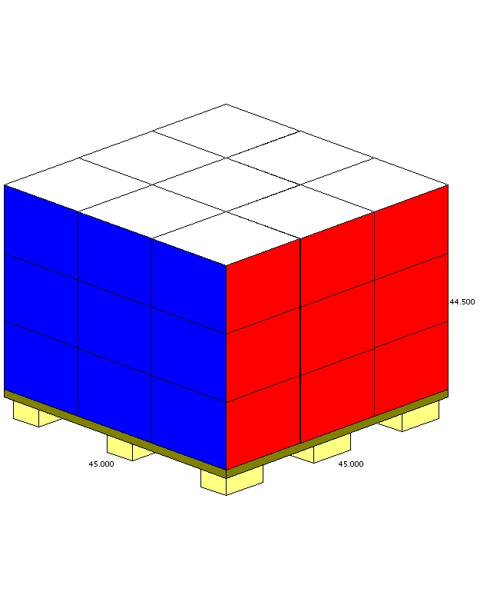 Attach Digital Photograph of Pallet Configuration (Containers on Pallet)
Container Tare |  |  | 1
Pallet Tare |  |  | 30
Total Weights |  |  | Unit of Measure: |  | Lbs

Full Container |  |  | 34
Full Pallet |  |  | 948
Container Inventory

Daily Usage
Days Supply of Containers
Color(s)
Container Inventory
Pallet Inventory
Containers per Trailer FULL |  |  |  |  |  | Is Container Collapsible? |  |  |  |  |  | YES |  | NO
Containers per Trailer EMPTY
Material Handling Methods:
DUNNAGE TYPE |  |  |  | PALLET DIMENSIONS |  |  | PALLET TYPE |  |  | OVERALL PALLET DIMENSIONS (Fully Loaded) |  |  | PACKAGING SPECIAL DESCRIPTION
EXPENDABLE |  |  |  | LENGTH | 45 | inches | WOOD, Treated WOOD, Non-treated |  |  | LENGTH | 45 | inches
RETURNABLE |  |  |  | WIDTH | 45 | inches | RETURNABLE |  |  | WIDTH | 45 | inches
NONE |  |  |  | HEIGHT | 5.5 | inches | CORRUGATE / FIBERBOARD |  |  | HEIGHT | 44.5 | inches
Approval - Supplier:

 | Print Name |  |  |  |  |  | Signature |  |  |  |  |  | Date
Approval to proceed with initial quantities to support first build - Piston Packaging Engineer:

 | Print Name |  |  |  |  |  | Signature |  |  |  |  |  | Date
Production Fleet Approval - Piston Packaging Engineer:

 | Print Name |  |  |  |  |  | Signature |  |  |  |  |  | Date

Diagrams
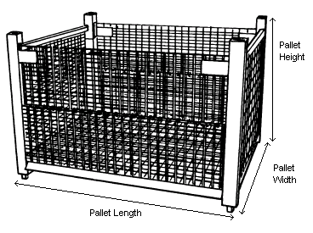
Packaging Approval Sheet Diagrams

 | Containers per Layer - 4 | Layers per Pallet - 3 | Containers per Pallet - 12
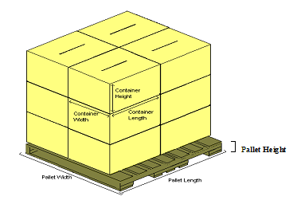

 | Containers per Layer - 1 | Layers per Pallet - 1 | Containers per Pallet - 1

