PAS Form
 Packaging Approval Form
Part Number |  |  | Rev | Part Description |  |  |  | Program |  | Supplier Name |  |  | Date

Supplier Address |  |  |  |  |  |  | Contact Name: |  |  |  | Contact Phone:
Primary Packaging |  |  |  |  | Expendable |  |  | Returnable |  | Contact E-Mail:
Container Style / Description |  | Outer |  |  | Attach Digital Photograph of Carton or Primary Container |  |  |  |  | Attach Digital Photograph Showing Parts in Carton or Primary Container
 |  | Inner
Container Outside Dimensions |  | L | W | H
Unit of Measure:
Container Material

Dunnage Material / Description
Parts per Container
Containers per Layer (on Pallet)
Layers per Pallet
Containers per Pallet |  | 0
Parts per Pallet |  | 0
WEIGHTS |  | Unit of Measure: |  | Lbs

Part |  |  |  |  | Attach Digital Photograph of Pallet |  |  |  |  | Attach Digital Photograph of Pallet Configuration (Containers on Pallet)
Container Tare
Pallet Tare
Total Weights |  | Unit of Measure: |  | Lbs

Full Container |  | 0
Full Pallet |  | 0
Container Inventory

Daily Usage
Days Supply of Containers
Color(s)
Container Inventory
Pallet Inventory
Containers per Trailer FULL |  |  |  |  | Is Container Collapsible? |  |  |  |  |  | YES |  | NO
Containers per Trailer EMPTY
Material Handling Methods:
DUNNAGE TYPE |  |  | PALLET DIMENSIONS |  |  | PALLET TYPE |  |  | OVERALL PALLET DIMENSIONS (Fully Loaded) |  |  | ADDITIONAL DESCRIPTION
EXPENDABLE |  |  | LENGTH | 0 |  | WOOD, Treated WOOD, Untreated |  |  | LENGTH | 0
RETURNABLE |  |  | WIDTH | 0 |  | RETURNABLE |  |  | WIDTH | 0
NONE |  |  | HEIGHT | 0 |  | CORRUGATE / FIBERBOARD |  |  | HEIGHT | 0
Approval - Supplier:

 | Print Name |  |  |  |  | Signature |  |  |  |  |  | Date

Approval - Piston Packaging Engineer:

 | Print Name |  |  |  |  | Signature |  |  |  |  |  | Date

Diagrams
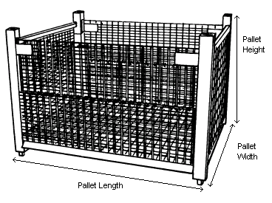
Packaging Approval Sheet Diagrams

 | Containers per Layer - 4 | Layers per Pallet - 3 | Containers per Pallet - 12
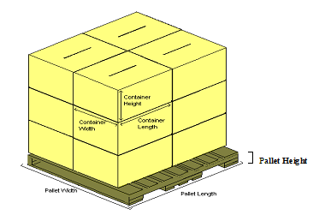

 | Containers per Layer - 1 | Layers per Pallet - 1 | Containers per Pallet - 1

Example
Packaging Approval Sheet
Part Number |  |  |  | Rev | Part Description |  |  |  | Program |  | Supplier Name |  |  | Date
1234567 |  |  |  | 1 | Widget |  |  |  | XYZ |  | Joe's Widgets Ltd. |  |  | 2009-09-21

Supplier Address |  |  | 123 Anywhere St, Town, State, Nation |  |  |  |  | Contact Name: |  | Joe Smith |  | Contact Phone: |  | +1-555-555-55555
Primary Packaging |  |  |  |  |  | Expendable |  |  | Returnable |  | Contact E-Mail: |  | joe@widgets.net
Container Style / Description |  |  | Outer | Box, HSC |  | Attach Digital Photograph of Carton or Primary Container |  |  |  |  | Attach Digital Photograph Showing Parts in Carton or Primary Container
 |  |  | Inner | Bag, plastic
Container Outside Dimensions |  |  | L | W | H
Unit of Measure: |  | inches | 15 | 15 | 13
Container Material |  |  | Corrugated Fiberboard, 44 ECT

Dunnage Material / Description
Parts per Container |  |  | 150 | Unit of Measure: | each
Containers per Layer (on Pallet) |  |  | 9
Layers per Pallet |  |  | 3
Containers per Pallet |  |  | 27
Parts per Pallet |  |  | 4050
WEIGHTS |  |  | Unit of Measure: |  | Lbs

Part |  |  | 0.22 |  |  | Attach Digital Photograph of Pallet |  |  |  |  | 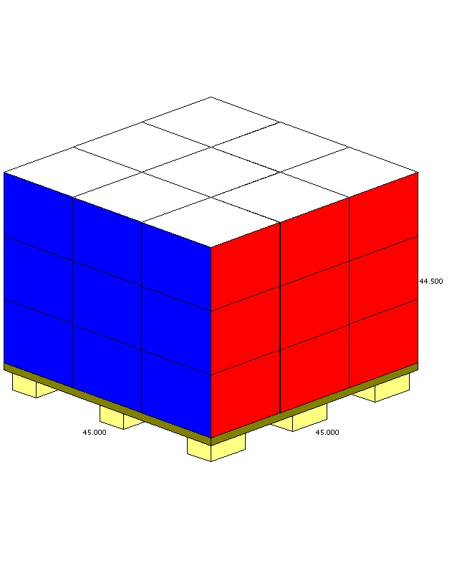 Attach Digital Photograph of Pallet Configuration (Containers on Pallet)
Container Tare |  |  | 1
Pallet Tare |  |  | 30
Total Weights |  |  | Unit of Measure: |  | Lbs

Full Container |  |  | 34
Full Pallet |  |  | 948
Container Inventory

Daily Usage
Days Supply of Containers
Color(s)
Container Inventory
Pallet Inventory
Containers per Trailer FULL |  |  |  |  |  | Is Container Collapsible? |  |  |  |  |  | YES |  | NO
Containers per Trailer EMPTY
Material Handling Methods:
DUNNAGE TYPE |  |  |  | PALLET DIMENSIONS |  |  | PALLET TYPE |  |  | OVERALL PALLET DIMENSIONS (Fully Loaded) |  |  | PACKAGING SPECIAL DESCRIPTION
EXPENDABLE |  |  |  | LENGTH | 45 | inches | WOOD, Treated WOOD, Non-treated |  |  | LENGTH | 45 | inches
RETURNABLE |  |  |  | WIDTH | 45 | inches | RETURNABLE |  |  | WIDTH | 45 | inches
NONE |  |  |  | HEIGHT | 5.5 | inches | CORRUGATE / FIBERBOARD |  |  | HEIGHT | 44.5 | inches
Approval - Supplier:
 | Joe Smith

 | Print Name |  |  |  |  |  | Signature |  |  |  |  |  | Date

Approval - KSS Plant:

 | Print Name |  |  |  |  |  | Signature |  |  |  |  |  | Date

